Hiearchy View
CLASS: DEHYDRATOR
designed for reliable pressurization of elliptical waveguide, coaxial cable and rigid transmission line systems. supplies low pressure dry air to keep waveguide and coaxial cable dry | 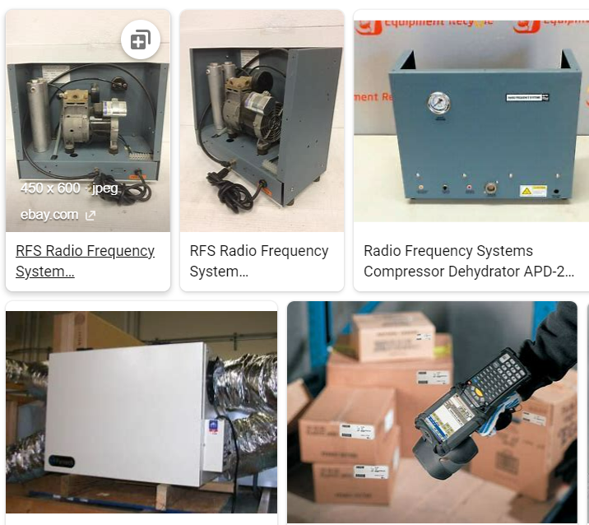
REMOVE | N

PROBLEM_DESC | CAUSE_DESC | REMEDY_DESC
ALARM/SENSOR
BROKEN/DAMAGED
OTHER PROBLEM
OVERHEATING
PESTS
POWER-ELEC
STOPPED/SLOWED/POOR OPS
TEMP-CTRL
VIBRATION
Grand Total

